Bug2Log in with invalid pass.
Summary | Log in with valid username and invalid password
Description | When user goes to Swag Labs and wants to log in on site, user input valid username and valid password on log in form, which is located in the central part of the page. User goes to "Swag Labs" and inputs suggested usernames on log in page (usernames are mentionned in input (row4) and password "password". Then user clicks on log in button and message appears "Epic sadface: Sorry, this user has been locked out.". User can't log in on site, because user inputs invalid password. Ther error happens during testing in qa enviromment.
Steps to reproduce | Input | Expected result | Actual result
User is on "Swag labs" log in page. |  | User sees log in on screen. | User sees log in form on screen.
User inputs valid password and invalid password and clicks on log in button | "standard_user","locked_out_user","problem_user", "performance_glitch_user","error_user","visual_user" and " password". | User is logged in. | User can't log in with used credentials in this case, beacause user inputs one of valid usernames and invalid password. Message appears. "Epic sadface: Sorry, this user has been locked out."
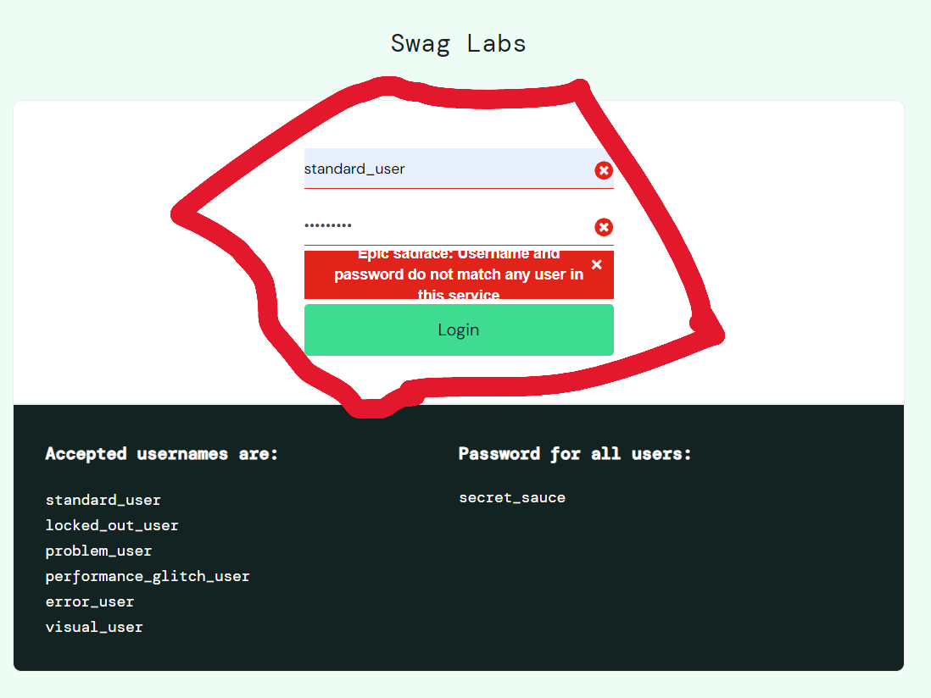
Screenshot

Bug3 Filter_ button
Summary | Filter button on the right side of Product page doesn't function well when user clicks on it.
Description | User is logged in on "Swag Labs" page. When user goes to filter button on the right side of the page and tries to change dispositon of the products (by this criteria-(name (a-z), name(z-a), price (low-high), price (high-low)) on the Product page by clicking on arrow icon (user wants to change the dispositon on product list), the disposition options don't appear (name (a-z), name(z-a), price (low-high), price (high-low)).
Steps to reproduce |  | Expected result | Actual result
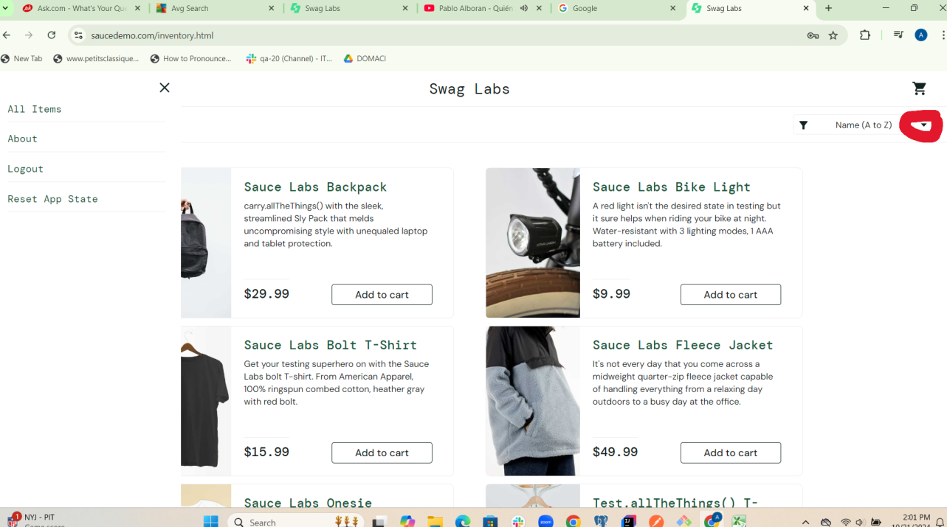
User is on product page of"Swag labs" product page and clicks onarrow of filter button on right side. |  | Options for product dispositon appear | Options for product dispostion don't appear.
Screenshot

Bug4login with invalid credent.
Summary | Log in with invalid username and invalid password
Description | When user goes to Swag Labs and wants to log in on site, user has to input invalid username and invalid password on log in form, which is located in the central part of the page. User goes to "Swag Labs" and inputs "Petar" username and "password" password. Then user clicks on log in button and message appears "Epic sadface: Sorry, this user has been locked out.". User can't log in with invalid credentials.Ther eroor happens during testing in qa enviromment.
Steps to reproduce | Input | Expected result | Actual result
User is on "Swag labs" log in page. |  | User sees log in on screen. | User sees log in form on screen.
User input invalid credentials and clicks on log in button | petar username and password password. | User is logged in. | User can't log in with used credentials in this case beacause credentials are invalid. Message appears. "Epic sadface: Sorry, this user has been locked out."
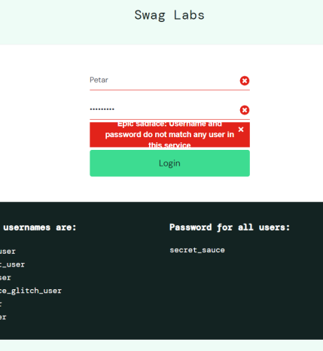
Screenshot

